Production Promise
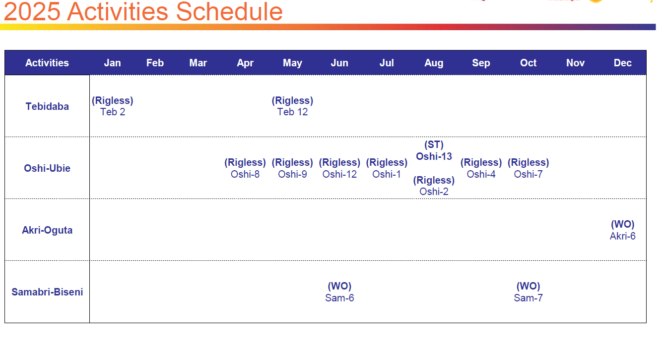
2025 SPDC JV PROMISE - NOV and Ambition promise
 | Total NOV SPDC JV Promise | Upside
Jan | 7.5
Feb | 7.5
Mar | 7.6
Apr | 7.8 | 1.96
May | 7.7 | 2.60
Jun | 7.7 | 3.00
Jul | 7.8 | 3.72
Aug | 7.8 | 4.32
Sep | 7.9 | 4.24
Oct | 7.9 | 4.64
Nov | 7.8 | 4.69
Dec | 7.7 | 5.89
Yr Ave | 7.7 | 2.76
SPDC JV Promise
Month | Jan | Feb | Mar | Apr | May | Jun | Jul | Aug | Sep | Oct | Nov | Dec | Yr Ave | Comment
Akri (Akri-Oguta) | 0.2 | 0.2 | 0.2 | 0.2 | 0.2 | 0.2 | 0.2 | 0.2 | 0.2 | 0.2 | 0.2 | 0.2 | 0.2
Idu (Samabri-Biseni) | 2.1 | 2 | 2 | 2.2 | 2.2 | 2.1 | 2.1 | 2 | 2 | 2 | 1.9 | 1.9 | 2
Ogbainbiri (Afuo-Ogbainbiri) | 2.2 | 2.2 | 2.2 | 2.2 | 2.1 | 2.2 | 2.2 | 2.1 | 2.1 | 2.1 | 2.1 | 2 | 2.1
Oshi (Usie-Oshi) | 0.7 | 0.7 | 0.7 | 0.7 | 0.7 | 0.7 | 0.7 | 0.7 | 0.7 | 0.7 | 0.7 | 0.7 | 0.7
Uzere East | 2.3 | 2.4 | 2.5 | 2.5 | 2.5 | 2.5 | 2.6 | 2.8 | 2.9 | 2.9 | 2.9 | 2.9 | 2.7
Total | 7.6 | 7.6 | 7.6 | 7.8 | 7.7 | 7.7 | 7.7 | 7.8 | 7.8 | 7.8 | 7.8 | 7.7 | 7.7

Oando | 5.2 | 5.1 | 5.1 | 5.3 | 5.2 | 5.2 | 5.2 | 5 | 5 | 5 | 4.9 | 4.8 | 5
NEPL | 2.3 | 2.4 | 2.5 | 2.5 | 2.5 | 2.5 | 2.6 | 2.8 | 2.9 | 2.9 | 2.9 | 2.9 | 2.7
Total NOV SPDC JV Promise | 7.5 | 7.5 | 7.6 | 7.8 | 7.7 | 7.7 | 7.8 | 7.8 | 7.9 | 7.9 | 7.8 | 7.7 | 7.7 | No Opugbene and SBAR in SPDC JV Promise

Oando Promise SPDC JV kbopd | Jan | Feb | Mar | Apr | May | Jun | Jul | Aug | Sep | Oct | Nov | Dec | Yr Ave
Akri (Akri-Oguta) | 0.40 | 0.39 | 0.39 | 0.39 | 0.39 | 0.39 | 0.38 | 0.38 | 0.38 | 0.38 | 0.38 | 0.37 | 0.39 | No production promise increase from planned workover
Idu (Samabri-Biseni) | 2.36 | 2.34 | 2.32 | 2.31 | 2.29 | 2.65 | 2.63 | 2.62 | 2.60 | 2.96 | 2.94 | 2.92 | 2.58 | Production promise increase from planned workovers in Jun and oct
Ogbainbiri (Afuo-Ogbainbiri) | 0.22 | 0.65 | 0.64 | 0.63 | 0.63 | 0.62 | 0.61 | 0.61 | 0.60 | 0.59 | 0.62 | 0.62 | 0.59
Oshi (Usie-Oshi) | 0.05 | 0.05 | 0.04 | 0.09 | 0.13 | 0.22 | 0.24 | 0.91 | 0.99 | 1.07 | 1.06 | 1.05 | 0.49 | Production increase from planned rigless and ST activities
Tebidaba-Opugbene | 0.11 | 0.11 | 0.11 | 0.11 | 0.13 | 0.13 | 0.13 | 0.12 | 0.12 | 0.12 | 0.12 | 0.12 | 0.12 | Production increase from planned rigless activity in May

Oando Promise | 3.13 | 3.54 | 3.51 | 3.52 | 3.57 | 4.01 | 4.00 | 4.64 | 4.69 | 5.12 | 5.11 | 5.08 | 4.16 | Production increase from planned activities
NEPL Promise | 3.41 | 3.39 | 3.37 | 3.94 | 4.43 | 4.40 | 5.22 | 5.19 | 5.15 | 5.12 | 5.08 | 6.21 | 4.57 | Production increase from planned rigless activities in May , Jun, July
SBAR |  |  |  | 2.3 | 2.3 | 2.3 | 2.3 | 2.3 | 2.3 | 2.3 | 2.3 | 2.3 | 2.3
NOV Ambition Prodution Promise | 6.54 | 6.93 | 6.87 | 9.76 | 10.30 | 10.70 | 11.52 | 12.12 | 12.14 | 12.54 | 12.49 | 13.59 | 10.46 | Production increase from planned activities
Upside |  |  |  | 1.96 | 2.60 | 3.00 | 3.72 | 4.32 | 4.24 | 4.64 | 4.69 | 5.89 | 2.76
NOV Gas Promise 2025 SPDC JV
NOV WRFM Plans
Oando
Akri (Akri-Oguta) |  |  |  |  |  |  |  |  |  |  |  | 1 WO
Idu (Samabri-Biseni) |  |  |  |  |  | 1 WO |  |  |  | 1 WO
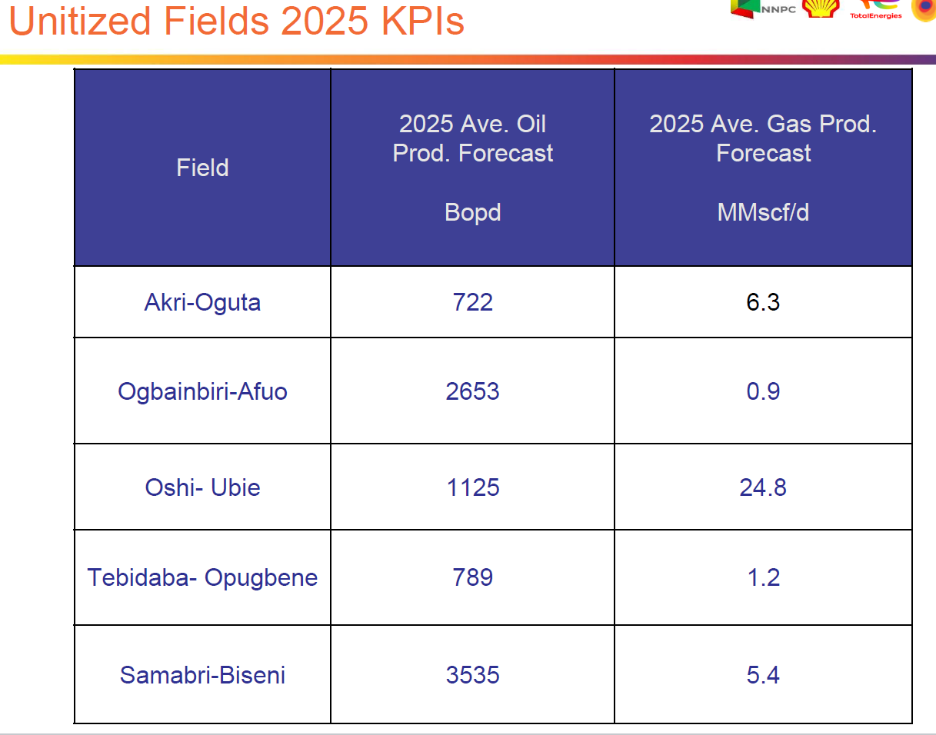
Ogbainbiri (Afuo-Ogbainbiri)
Oshi (Usie-Oshi) |  |  |  | 1 RL | 1 RL | 1 RL | 1 RL | 1 RL, 1 ST | 1 RL | 1 RL | 1 RL
Tebidaba-Opugbene | 1 RL |  |  |  | 1 RL
NEPL Promise
Uzere East |  |  |  | 1 RG, 2 GLVCO | 6 GL/WOPT |  | 2 GL/WOPT
New Well drills
NEPL Promise |  |  |  |  |  |  |  |  |  |  |  | 1

Oando Gas Promise SPDC JV (MMscf) | Jan | Feb | Mar | Apr | May | Jun | Jul | Aug | Sep | Oct | Nov | Dec | Yr Ave
Akri (Akri-Oguta) | 3.45 | 3.43 | 3.42 | 3.41 | 3.40 | 3.38 | 3.37 | 3.35 | 3.34 | 3.33 | 3.32 | 3.30 | 3.37 | No production promise increase from planned workover
Idu (Samabri-Biseni) | 3.35 | 3.33 | 3.30 | 3.28 | 3.25 | 4.19 | 4.17 | 4.14 | 4.11 | 4.68 | 4.65 | 4.63 | 3.92 | Production promise increase from planned workovers in Jun and oct
Ogbainbiri (Afuo-Ogbainbiri) | 0.23 | 0.63 | 0.63 | 0.63 | 0.60 | 0.60 | 0.60 | 0.58 | 0.58 | 0.58 | 0.55 | 0.55 | 0.56
Oshi (Usie-Oshi) | 0.82 | 0.77 | 0.77 | 1.50 | 2.18 | 3.05 | 3.28 | 22.20 | 23.30 | 24.66 | 24.52 | 24.39 | 10.95 | Production increase from planned rigless and ST activities
Tebidaba-Opugbene | 0.12 | 0.12 | 0.11 | 0.11 | 0.21 | 0.21 | 0.21 | 0.20 | 0.20 | 0.20 | 0.20 | 0.19 | 0.17 | Production increase from planned rigless activity in May
Total Oando Gas Promise SPDC JV (MMscf) | 7.96 | 8.27 | 8.24 | 8.93 | 9.64 | 11.42 | 11.62 | 30.47 | 31.53 | 33.44 | 33.24 | 33.06 | 18.99

Oando Promise 100% bopd
Akri (Akri-Oguta) | 744.26 | 740.13 | 736.04 | 732 | 728 | 724.06 | 720.16 | 716.3 | 712.49 | 708.73 | 705.01 | 701.33 | 722.37583333
Idu (Samabri-Biseni) | 3229.99 | 3206.55 | 3183.29 | 3160.19 | 3137.27 | 3637.7 | 3611.31 | 3585.11 | 3559.1 | 4056.48 | 4027.04 | 3997.83 | 3532.655
Ogbainbiri (Afuo-Ogbainbiri) | 880 | 2612 | 2557 | 2530 | 2530 | 2477 | 2450 | 2424 | 2399 | 2373 | 2472 | 2472 | 2348
Oshi (Usie-Oshi) | 100 | 99 | 98 | 195 | 290 | 480 | 536 | 1996 | 2179 | 2357 | 2335 | 2314 | 1081.5833333
Tebidaba-Opugbene | 743 | 730 | 717 | 705 | 869 | 855 | 841 | 827 | 814 | 800 | 787 | 774 | 788.5
Gas (MMscf/d)
Akri (Akri-Oguta) | 6.47 | 6.44 | 6.42 | 6.39 | 6.37 | 6.34 | 6.32 | 6.29 | 6.27 | 6.24 | 6.22 | 6.19 | 6.33
Idu (Samabri-Biseni) | 4.59 | 4.56 | 4.53 | 4.5 | 4.46 | 5.74 | 5.71 | 5.67 | 5.64 | 6.42 | 6.38 | 6.34 | 5.38
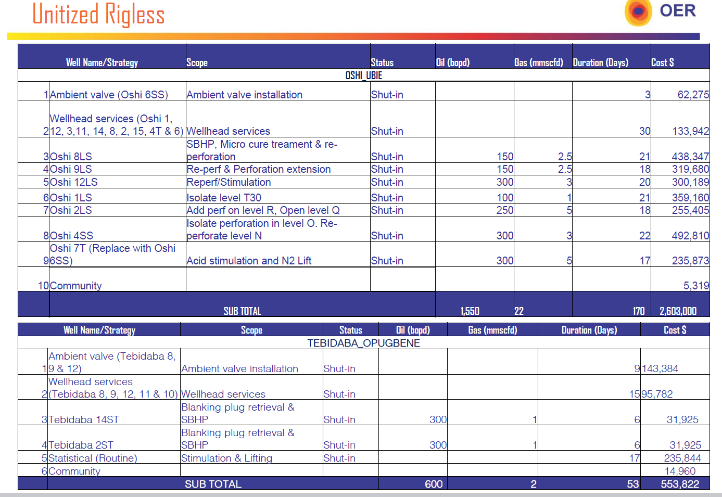
Ogbainbiri (Afuo-Ogbainbiri) | 0.9 | 2.5 | 2.5 | 2.5 | 2.4 | 2.4 | 2.4 | 2.3 | 2.3 | 2.3 | 2.2 | 2.2 | 2.24
Oshi (Usie-Oshi) | 1.8 | 1.7 | 1.7 | 3.3 | 4.8 | 6.7 | 7.2 | 48.8 | 51.2 | 54.2 | 53.9 | 53.6 | 24.08
Tebidaba-Opugbene | 0.78 | 0.77 | 0.76 | 0.75 | 1.4 | 1.38 | 1.36 | 1.35 | 1.33 | 1.31 | 1.3 | 1.28 | 1.15
Total | 14.54 | 15.97 | 15.91 | 17.44 | 19.43 | 22.56 | 22.99 | 64.41 | 66.74 | 70.47 | 70 | 69.61 | 39.17

 |  |  |  |  |  |  |  |  |  |  |  |  |  |  | SPDC JV Equity in Oando Assets |  | 2025 Ave Oil Prod | SPDC JV Oil Promise |  | 2026 Ave Gas Prod
 |  |  |  |  |  |  |  |  |  |  |  |  |  |  | 0.533 |  | 722 | 384.826 |  | 6.3
 |  |  |  |  |  |  |  |  |  |  |  |  |  |  | 0.25 |  | 2653 | 663.25 |  | 0.9
 |  |  |  |  |  |  |  |  |  |  |  |  |  |  | 0.455 |  | 1125 | 511.875 |  | 24.8
 |  |  |  |  |  |  |  |  |  |  |  |  |  |  | 0.151 |  | 789 | 119.139 |  | 1.2
 |  |  |  |  |  |  |  |  |  |  |  |  |  |  | 0.641 | 0.7295 | 3535 | 2578.7825 |  | 5.4
 |  |  |  |  |  |  |  |  |  |  |  |  |  |  |  |  | 8824 | 4257.8725 |  | 38.6

 |  |  |  |  |  |  |  |  |  |  |  |  |  |  |  |  | STOG
 |  |  |  |  |  |  |  |  |  |  |  |  |  |  | 0.455 | Oshie-Ubie | 1550 | 705.25
 |  |  |  |  |  |  |  |  |  |  |  |  |  |  | 0.151 | Tebidaba | 600 | 90.6
 |  |  |  |  |  |  |  |  |  |  |  |  |  |  |  |  |  | 795.85

 |  |  |  |  |  |  |  |  |  |  |  |  |  |  | NEPL UZERE 2025 BGT 5YR MTP 2024

 |  |  |  |  |  |  |  |  |  |  |  |  |  |  | 2023 ACTUAL | 2024 PLAN | 2024 ACTUAL JAN - JUNE | 2025 PLAN | 2026 FORECAST | 2027 FORECAST
 |  |  |  |  |  |  |  |  |  |  |  |  |  |  | 2.99 | - | - | 5.36 | - | -

 |  |  |  |  |  |  |  |  |  |  |  |  |  |  | SPDC JV Equity in NEPL Uzere Asset |  |  | SPDC JV Oil Promise |  | SPDC 2025 Playbook |  | Ambition contribution
 |  |  |  |  |  |  |  |  |  |  |  |  |  |  | 0.853 |  |  | 4.57 |  | 2.7 |  | 1.87

 |  |  |  |  |  |  |  |  |  |  |  |  |  |  | Premised on

 |  |  |  |  |  |  |  |  |  |  |  |  |  |  | New well promise Q4 2025
 |  |  |  |  |  |  |  |  |  |  |  |  |  |  | 3000 |  |  | 2559

 |  |  |  |  |  |  |  |  |  |  |  |  |  |  | NNPC / JV
 |  |  |  |  |  |  |  |  |  |  |  |  |  |  | WORK PROGRAMME_NEPL
 |  |  |  |  |  |  |  |  |  |  |  |  |  |  | DESCRIPTION | UNIT | 2025 PLAN | JAN 2025 PLAN | FEB 2025 PLAN | MAR 2025 PLAN | APR 2025 PLAN | MAY 2025 PLAN | JUN 2025 PLAN | JUL 2025 PLAN | AUG 2025 PLAN | SEP 2025 PLAN | OCT 2025 PLAN | NOV 2025 PLAN | DEC 2025 PLAN | TECHNICAL JUSTIFICATION/ DETAILED WORKSCOPE
 |  |  |  |  |  |  |  |  |  |  |  |  |  |  | Rig Count | nos | 1.00 | - | - | - | - | - | - | - | - | - | 1.00 | - | -
 |  |  |  |  |  |  |  |  |  |  |  |  |  |  | Development Wells Oil | nos | 1.00 |  |  |  |  |  |  |  |  |  |  |  | 1.00
 |  |  |  |  |  |  |  |  |  |  |  |  |  |  | Completion Wells Oil | nos | -
 |  |  |  |  |  |  |  |  |  |  |  |  |  |  | Workover Wells Oil | nos | -
 |  |  |  |  |  |  |  |  |  |  |  |  |  |  | Rigless workovers | nos | 1.00 |  |  |  | 1.00 |  |  |  |  |  |  |  |  | 1 No. Zone Switch
 |  |  |  |  |  |  |  |  |  |  |  |  |  |  | Other Interventions(GLVCO/Well Optimization) | nos | 10.00 |  |  |  | 2.00 | 6.00 |  | 2.00 |  |  |  |  |  | 2 Nos. Well Stimulation, 6 Nos. GLVCO, 2 Re-perforation/WSO
 |  |  |  |  |  |  |  |  |  |  |  |  |  |  | Crude Oil Production (Net Production) | kbopd | 5.36 | 4.00 | 3.97 | 3.95 | 4.62 | 5.19 | 5.15 | 6.12 | 6.08 | 6.04 | 6.00 | 5.96 | 7.28 |  | 4.57
 |  |  |  |  |  |  |  |  |  |  |  |  |  |  | Condensate Production (Net Production) | kbopd |  |  |  |  |  |  |  |  |  |  |  |  |  |  | -
 |  |  |  |  |  |  |  |  |  |  |  |  |  |  | Crude Oil Production (Saleable Production) | kbopd | 4.77 | 3.56 | 3.54 | 3.51 | 4.11 | 4.62 | 4.59 | 5.45 | 5.41 | 5.37 | 5.34 | 5.30 | 6.48 | 89% fiscalization factor assumed | 4.07
 |  |  |  |  |  |  |  |  |  |  |  |  |  |  | Condensate Production (Saleable Production) | kbopd
 |  |  |  |  |  |  |  |  |  |  |  |  |  |  | NGL Production | kbopd
 |  |  |  |  |  |  |  |  |  |  |  |  |  |  | Deferment Oil | kbopd | 0.80 | 0.60 | 0.60 | 0.59 | 0.69 | 0.78 | 0.77 | 0.92 | 0.91 | 0.91 | 0.90 | 0.89 | 1.09 | 85% production efficiency assumed

 |  |  |  |  |  |  |  |  |  |  |  |  |  |  | Gains from WO/STOG |  |  |  |  |  | 0.67 | 0.57 |  | 0.97 | 2.21

 |  |  |  |  |  |  |  |  |  |  |  |  |  |  |  |  |  |  |  |  |  |  |  | SPDC JV | 1.8834823581

2024 Cost Accrual
NOV2024 Production and OPEX

Field | FUSD | Field | Cost/barrel | FUSD (Core NOV with no CHA) | Volume (bbls) |  | Field | 2025-01-24 | 2025-02-24 | 2025-03-24 | 2025-04-24 | 2025-05-24 | 2025-06-24 | 2025-07-24 | 2025-08-24 | 2025-09-24 | 2025-10-24 | 2025-11-24 | 2025-12-24 | Jan 2024- Dec 2024
Samabri Biseni | 3,873,813 | Samabri Biseni | 3.48 | 3873813 | 1,112,878.00 |  |  |  |  |  |  |  |  |  |  |  |  |  |  | (barrels)
Tebidaba-Opugbene | 485,574 | Tebidaba-Opugbene | 23.23 | 485574 | 20,901.00 |  | Egbema West & Ugada | 0 | 0 | 0 | 0 | 0 | 0 | 0 | 0 | 0 | 0 | 0 | 0 | 0
Akri-Oguta | 1,558,639 | Akri-Oguta | 14.71 | 1558639 | 105,975.00 |  | Egbema | 0 | 0 | 0 | 0 | 0 | 0 | 0 | 0 | 0 | 0 | 0 | 0 | 0
Ogbainbiri-Afuo | 752,925 | Ogbainbiri-Afuo | 3.58 | 752925 | 210,483.00 | Including Past Oil Recovery | Santa Barbara | 0 | 56046.2 | 21269.1 | 20869.3 | 31723.6 | 52153.9 | 50956.7 | 0 | 8722.5 | 16800.5 | 38534.2 | 24547 | 321,623.07
Oshie-Ubie | 6,557,846 | Oshie-Ubie | 112.96 | 6557846 | 58,055.00 |  | Biseni/Samabri | 97,127 | 85,647 | 110,804 | 80,875 | 91,712 | 90,269 | 99,276 | 80,974 | 98,344 | 95,581 | 89,641 | 92,629 | 1,112,878.00
Uzere East | 9,636,576 | Uzere East | 9.96 | 9636576 | 967,923.10 |  | Afuo/Ogbainbiri | 0 | 0 | 0 | 0 | 0 | 1,081 | 0 | 0 | 41,397 | 84,517 | 41,059 | 42,428 | 210,483.00
Egbema | 7,871,077 | Egbema |  | 7871077 | 0 |  | (Including Past Oil Recovery)
Santa Babara | 2,631,927 | Santa Babara | 8.18 | 2631927 | 321,623.07 |  | Tebidaba / Opugbene | 1,728 | 1,568 | 2,349 | 1,666 | 1,912 | 911 | 947 | 1,668 | 2,791 | 1,445 | 1,925 | 1,990 | 20,901.00
TOTAL | 33,368,377 | TOTAL | 11.93 | 33368377 | 2,797,838.17 |  | Oshi / Ubie (Including Past Oil Recovery) | 2,960 | 3,805 | 6,108 | 4,254 | 4,336 | 12,169 | 5,008 | 4,259 | 2,819 | 4,596 | 3,807 | 3,934 | 58,055.00
 |  |  |  |  | 7665.31 | bbl/d | Akri / Oguta | 5,955 | 5,301 | 9,648 | 10,538 | 11,710 | 8,717 | 4,574 | 10,551 | 8,239 | 10,993 | 9,712 | 10,036 | 105,975.00
 |  |  |  |  |  |  | Uzere East | 93,823 | 83,542 | 81,536 | 82,916 | 96,998 | 88,588 | 95,922 | 90,877 | 68,026 | 23,400 | 61,247 | 101,049 | 967,923.10
 |  |  |  |  |  |  | Total |  |  |  |  |  |  |  |  |  |  |  |  | 2,797,838.17
 | Cost/barrel
Samabri Biseni | 3.48
Tebidaba-Opugbene | 23.23
Akri-Oguta | 14.71
Ogbainbiri-Afuo | 3.58
Oshie-Ubie | 112.96
Uzere East | 9.96
Egbema
Santa Babara | 8.18
 |  |  |  |  |  |  |  |  |  |  |  |  |  |  |  |  |  |  |  | 2797838.173

Oando Total |  | Oando Total | 8.77 | 13228797 |  |  | Oando Total | 107,770 | 96,321 | 128,909 | 97,333 | 109,670 | 113,147 | 109,805 | 97,452 | 153,590 | 197,132 | 146,144 | 151,017 | 1,508,292
NOV Assets Cost/barrel - 2024 Actuals
 | Cost/barrel
Samabri Biseni | 3.48
Tebidaba-Opugbene | 23.23
Akri-Oguta | 14.71
Ogbainbiri-Afuo | 3.58
Oshie-Ubie | 112.96
Uzere East | 9.96
Egbema
Santa Babara | 8.18

